Scatter Plot of D Green vs Car
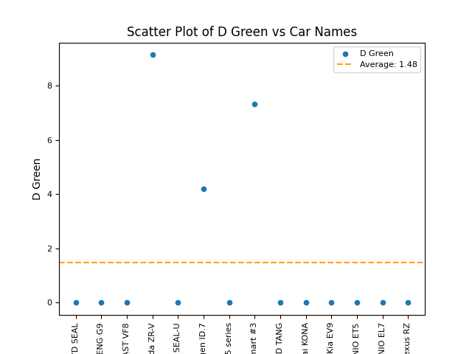

Scatter Plot of Green vs Car Na
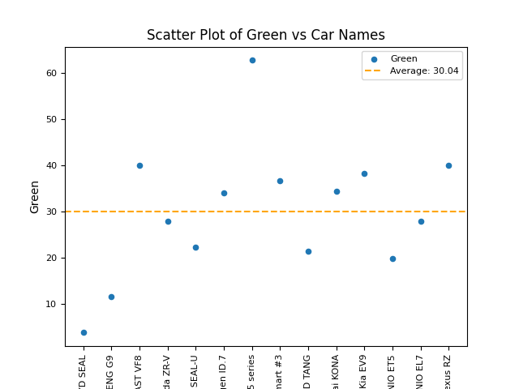

Scatter Plot of Yellow vs Car N
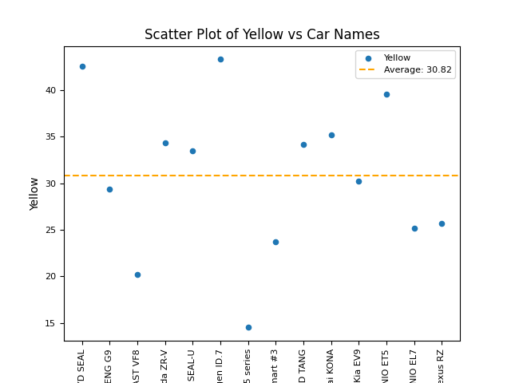

Scatter Plot of Orange vs Car N
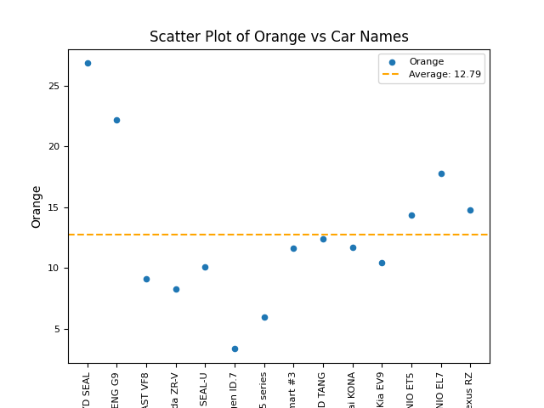

Scatter Plot of Brown vs Car Na
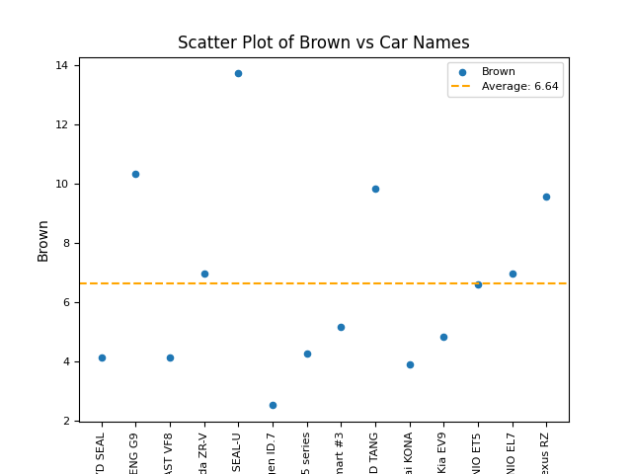

Scatter Plot of Red vs Car Name
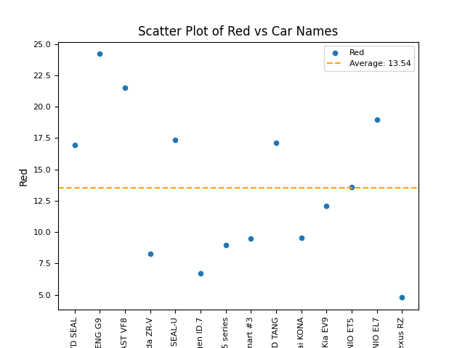

Scatter Plot of Default Red vs
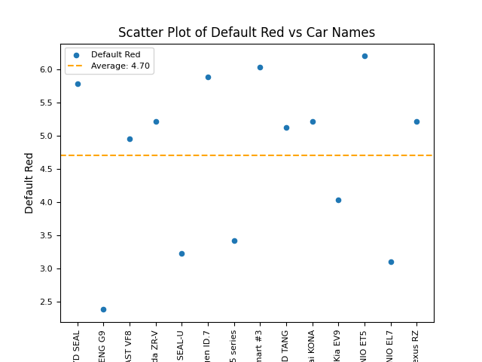

Scatter Plot of Blue vs Car Nam
